Billing
Transload Service | RATE | DESCRIPTION | Bill Method | Open Questions | Deposco Comments |  |  | Deposco Owner | Status
20' Container Handlin in and Handlin out | $400.00 | Pallets to Pallets | Scheduled | 1. Are Pallets billed for during inbound or Outbound? 2. Is the rate per receiving the entire container or per pallet? | 1. CSR Responsible for creating PO with accurate container size/type 2. Operator will be prompted to input whether Container is floor vs Pallet Loaded | Reference fields on purchase order for container size and container number, group by container number on purchase orders Project level billing not in scope | Billed on Inbound. Rate per Container | Lanie | Ready for WFL Testing | - Configured per inbound container when the status is received and the container size is 20' standard and pallet loaded and lastest receiptLine date is in billing period - Currently configured to group by orderHeader.otherReferenceNumber if not null or orderHeader.number if other reference number is null. hoping this accounts for containers with more than one PO being sent on it as they bill by container, not individual PO
20' Container Handlin in and Handlin out | $450.00 | Floor loaded in/out | Scheduled | 1. Are Pallets billed for during inbound or Outbound? 2. Is the rate per receiving the entire container or per carton? | 1. CSR Responsible for creating PO with accurate container size/type 2. Operator will be prompted to input whether Container is floor vs Pallet Loaded | Reference fields on purchase order for container size and container number, group by container number on purchase orders |  | Lanie | Validation | - Configured per inbound container when the status is received and the container size is 20' standard and floor loaded and lastest receiptLine date is in billing period - Currently configured to group by orderHeader.otherReferenceNumber if not null or orderHeader.number if other reference number is null. hoping this accounts for containers with more than one PO being sent on it as they bill by container, not individual PO
40'/40HC/45' Container Handlin in and Handlin out | $475.00 | Pallets to Pallets | Scheduled | 1. Are Pallets billed for during inbound or Outbound? 2. Is the rate per receiving the entire container or per pallet? | 1. CSR Responsible for creating PO with accurate container size/type 2. Operator will be prompted to input whether Container is floor vs Pallet Loaded | Reference fields on purchase order for container size and container number, group by container number on purchase orders |  | Lanie | In Progress | NEED TO SEPARATE - Configured per inbound container when the status is received and the container size is 40' standard, 45' standard or 40' HC and pallet loaded and lastest receiptLine date is in billing period - Currently configured to group by orderHeader.otherReferenceNumber if not null or orderHeader.number if other reference number is null. hoping this accounts for containers with more than one PO being sent on it as they bill by container, not individual PO
40'/40HC/45' Container Handlin in and Handlin out | $595.00 | Floor loaded in/out | Scheduled | 1. Are Pallets billed for during inbound or Outbound? 2. Is the rate per receiving the entire container or per carton? | 1. CSR Responsible for creating PO with accurate container size/type 2. Operator will be prompted to input whether Container is floor vs Pallet Loaded | Reference fields on purchase order for container size and container number, group by container number on purchase orders |  | Lanie | In progress | NEED TO SEPARATE - Configured per inbound container when the status is received and the container size is 40' standard, 45' standard or 40' HC and floor loaded and lastest receiptLine date is in billing period - Currently configured to group by orderHeader.otherReferenceNumber if not null or orderHeader.number if other reference number is null. hoping this accounts for containers with more than one PO being sent on it as they bill by container, not individual PO
Overweight transload rate | $450.00 |  | Scheduled | 1. What exactly is this charge? 2. When is this billed or based off of? |  | When it is loaded - Depends on 20 ft vs 40 ft - Client will indicate that it is overweight when container is inbounded. Billed in addition to above standa container receiving fees |  | lanie | validation | configured per trip when the trip is closed and load type is "Overweight" and shipment lines were created during the billing period (shipment lines are not created until trip is closed)
Gate Transaction | $25.00 | Per Transaction | TBD | 1. What exactly is this charge? 2. When is this billed or based off of? 3. Is a gate transaction fee charged each time the truck passes the gate or just once per truck? |  | Applied only for outside carriers. Per time passing the gate - So would essentially be billed twice for every truck. CSR would know whether carrier is outside carrier or not. Need to imput on trip creation |  |  |  | Need to determine what shipping carriers are used and how to determine if gate charges are needed
Pallet Storage | $3.00 | Per pallet per day ( cannot stack over 12ft) | Scheduled | 1. Is this billed daily or only after the pallet has been shipped? | Billed per day | Only charged when pallet shipped. |  | lanie | validation | configured per pick detail hist (assumption is one pallet per pick detail therefore one pallet per pick detail hist) by taking the PO number stored on inventoryAttribute1 and finding the date the receipt line was created for that PO line number assoicated with the same item on the pick detail hist, days is calculated by subtracting the difference between pickDetailHist.createdDate and receiptLine.receiptDateTime
Dedicated long term storage | $1.85 | Per sqft | Scheduled | 1. Is this billed daily or only after the pallet has been shipped? 2. Is this billed in addition to the Pallet Storage Fee? Or is one or the other billed? 3. Is the Sq Ft rate per day? | 1. Need to determine how sq ft is calculated 2. Are Item Dimensions/sq ft captured on inbound? | What is considered long term? - Depending on contract of client - Different day threshold per client. Inventory only begans to incur Long term storage Fee once it is past the day threshold. Typicaly for steel clients - Billed metric ton - Not sq ft - Weight need to be captured on inbound |  | lanie | validation | Configured two separate configs for sqft and weight - Each is configured by summing the total sqft or weight of current stock units that meet the date threshold field on the company entity and multiplying by rate - Note: the total sqft is taken by counting number of stock that qualifies and multilplying by standard sqft of pallet (13.333), can use pack dimensions in future state if those are updated
Bundle Over Size Outdoor Storage | $27.50 | Per Bundle per day | Scheduled | 1. Is this billed daily or only after the pallet has been shipped? 2. Is this billed in addition to the Pallet Storage Fee? |  | Clients receive free days similar to above Long Term Storage. Either this is billed or Long Term Storage Not both. Dependent on Location. Need to create an outdoor storage fee that Calculates by Bundle and one that calculates by metric ton. |  | lanie | validation | Will most likely have a yard storage location and will bill for stock in the location
Split Palletized freight | $125.00 | split palletized freight (2-3 splits) | adhoc | 1. What does it mean by Split Palletized Freight? 2. What is the "trigger" for splitting freight? |  | Container comes in with certain number of Pallets - If different number of pallets is shipped than number of pallets received. Number of Splits is calculated based on Inbound Container divided by number of shipments for that container - Would be on fee of 125$ (or whatever client rate is) Some clients are billed one time split fee, other accounts are billed for each split. |  | lanie | validation
Hazmat | $75.00 | per HAZ Container | Scheduled | 1. Is this billed upon inbound or outbound? 2. Is the rate per receiving the entire container or per pallet? |  | Client knows if container is hazmat - lets CSR know if it is Hazmat container Outbound container - Billed upon outbound |  | lanie | validation | configured to charge for each trip that is closed and contains a item is considered hazmat on an associated shipment line during the billing period
Pallets | cost+15% | Pallets (Grade A Pallets $10.25 +15%, Grade B pallets $9.75+ 15%) | adhoc |  | 1. Deposco cannot determine the pallet grade within the system |  |  | lanie | validation | Need to enable business unit selection screen
Shrink Wrap/ Slip Sheets | 2.75 | per pallet ( Steel/ Vinyl bands) | adhoc | 1. Is this billed upon inbound or outbound? 2. Is every pallet wrapped or is this in certain cases? Certain BU's? |  | Outbound fee If needs to be shrink wrapped upon shipping Per pallet determination - Adhoc charge |  | lanie | validation | Need to enable business unit selection screen
Dunnage/ Wood/ Straps/ Air Bags | 125 | per Container/ Trailer/ Flat Bed | adhoc | 1. Is this billed upon inbound or outbound? 2. Is every pallet require dunnage/Wood/Airbags or is this in certain cases? Certain BU's? |  | Outbound Fee Per container basis - Decision made by Customer/Operations Team Likely adhoc |  | lanie | validation | Need to enable business unit selection screen
Labels | $0.55 | for label and apply | adhoc | 1. Is this billed upon inbound or outbound? 2. Does every pallet require labels or is this in certain cases? Certain BU's? 3. Is there a certain trigger to the label printing? |  | Per Label Outbound Fee Requested by Client Client may request to put container number/item number/etc onto pallet |  | lanie | validation | Adhoc for labels applied
BOL Charge | $8.20 | per outbound | Scheduled | 1. Is it 1 BOL per truck? 2. Is the client charged if they provide their own BOL? |  | 1 BOL Per Truck Not charged if client provides BOL. Decision made by CSR - Can input on trip whether BOL provided by WFL or by client |  | lanie | validation | configured to charge if trip.accountNumber is "WFL Provided BOL" and the trip is closed
LTL Delivery | $1.75 | per carton | Scheduled |  |  | Minimum is $75 per delivery
Freight Sortation | $0.50 | per CBM | adhoc
Supplies | Cost + 15% | per container/ Trailer/ Flat Bed |  | 1. How is the cost determined?
Bonded Moves | $100.00 | per filling |  | 1. When is this billed?
Excess Carton Fee | $0.15 | per carton |  |  |  | billed for containers will more than 1200 cartons
Container Storage | $45.00 | per day |  |  |  | have threshold for free days similar to pallet storage

Trio Global
Transload Service | RATE |  | Bill Method | Open Questions | Deposco Comments
Transload Service | $400.00 | If K&P Trucking was carrier (theirs) we do not bill drayage only Transload. | TBD | 1. How do we know if an order is transload? All Orders for this BU? 2. Is this billed upon inbound or outbound? |  | K&P is Trio's carrier - Drayage portion would not be charged if K&P is the carrier This is the rate for shipping an order - Will apply to any order shipped unless otherwise specified by Sales Rep for clietn

Storage |  |  |  | 1. Is storage billed for this customer? If so, how? |  | Trio does not typically incur storage If storage is billed it will be based upon previosuly defined storage rates above

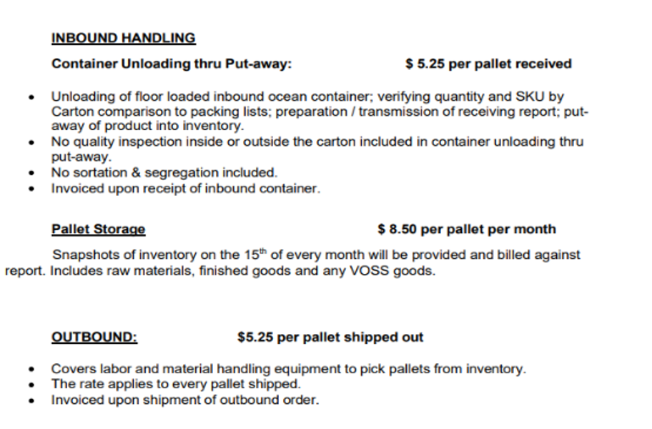
Daryage Service to POLA | RATE | DESCRIPTION

Voss
Service | RATE | DESCRIPTION | Bill Method | Open Questions | Deposco Comments
Handling In/Out |  | Per Pallet Shipped (Outbound) | Scheduled |  |  | Rate per Pallet Shipped
Pallet Storage |  | Per Pallet Per Month | Scheduled | 1. Is this only for pallets within the building on the 15th? 2. What if a Pallet was received on 1st and shipped on the 5th? Would this pallet ever be billed? A pallet would not be billed in this scenario |  | Snapshot of however many Pallets are within the facility on the 15th day of the month.
Unload and Stage in WH by PO (Drayage) |  | Per 40 ft Standard Container | Scheduled |  |  | Does not apply
Unload and Stage in WH by PO (Drayage) |  | Per 40 ft HC Container | Scheduled |  |  | Does not apply
Unload and Stage in WH by PO (Drayage) |  | Per 45 ft Standard Container | Scheduled |  |  | Does not apply
Clerical/Data Entry/Admin |  | Per Hour | Adhoc
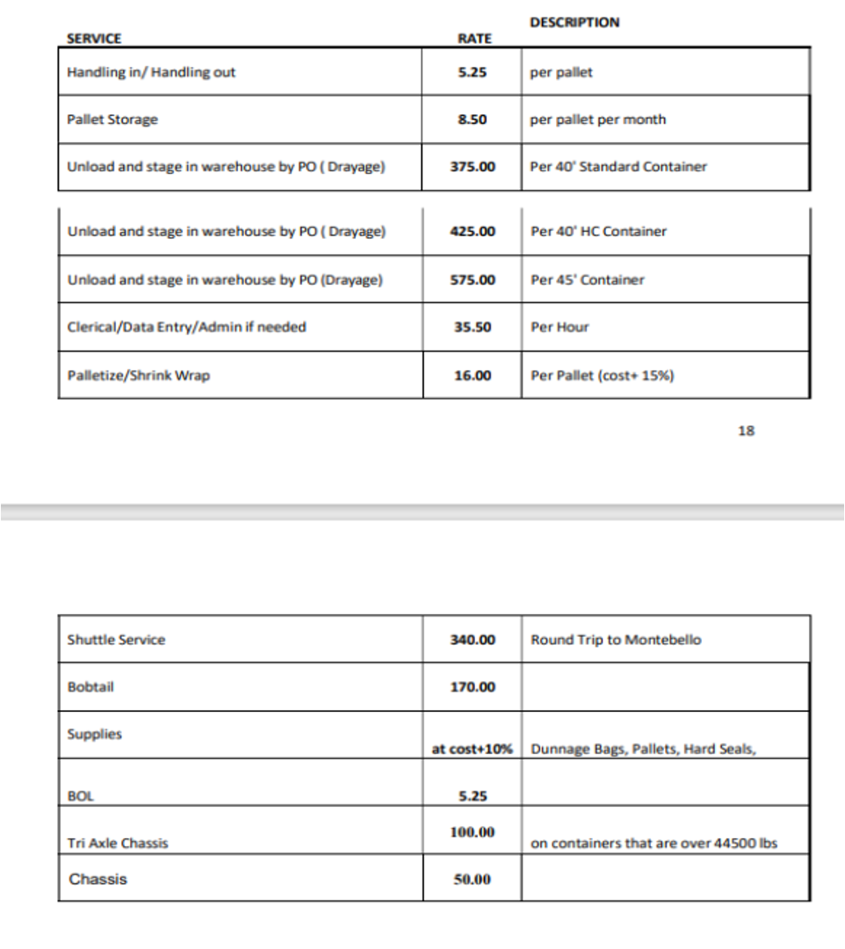
Palletize Shrink Wrap | 16 | Per Pallet (Cost + 15%) | Adhoc

Shuttle Service |  | Per Round trip to Montebello | TBD | 1. Not sure what this means? Is this tracked in system? |  | Does not apply
Bob Tail |  |  | TBD | 1. Is this determined when CSR Routes the order with Freight company? Can this be inputted by CSR upon routing? |  | Does not apply
Supplies | at cost + 10% | Dunnage Bags, Pallets, Hard Seals | Adhoc
BOL |  |  | TBD | 1. Is it 1 BOL per truck? 2. Is the client charged if they provide their own BOL? |  | 1 BOL Per Truck Not charged if client provides BOL. Decision made by CSR - Can input on trip whether BOL provided by WFL or by client
Tri Axle Chasis |  | On Containers over 44,500 Lbs | TBD | 1. Is this determined when CSR Routes the order with Freight company? Can this be inputted by CSR upon routing? |  | Outbound CSR would know upon routing of truck - CSR can input on Trip - When container is overweight
Chassis |  |  | TBD | 1. Is this determined when CSR Routes the order with Freight company? Can this be inputted by CSR upon routing? |  | Outbound CSR would know upon routing of truck - "Normal" container shipping fee. Either one or the other is applied for a truck

Inbound Handling
Container Unloading thru Put-away | 5.25 | Per Pallet Received | Scheduled |  |  | Inbound Based on how many pallets are received

Drayage
Cutomer Name | Drage Fee | Chassis |  | Carrier Fee | Drayage | Chassis/per day |  |  | Bill Method | Open Questions | Deposco Comments
AMCARCA | $375.00 | $40.00 |  |  | $375.00 | $40.00 |  |  | TBD | 1. Need to dive into deeper into Logic Around Drayage and how this is tracked. 2. Need to determine if possible to bill in Deposco or adhoc |  | Inbound Fee Customer will assign Container to WFL Fee for inbounding container from Port Chasis Fee is per day Game Change has different Chassis Fee - Not billed per day Game Change Chassis Fee is one time Fee
CAMPBELL | $375.00 | $100.00 |  |  | $325.00 | $100.00
CAMPBELL- TRANFER |  |  |  |  | $500.00
CEC | N/A | NA |  |  |  |  | We did not bill customer
CH ROBINSON | $750.00
ENCOMPASS
GOLDENBRIDGE_EXPORT
GOLDENBRIDGE_IMPORTS
GAMECHANGE |  |  |  |  | $375.00 | $50.00
HARTREE PARTNERS
KUEHNE_NAGEL
KN_AOB
KN_BLACK_DECKER
KN_SAFRAN
KN_SKM
MC_TANK
MEDLOG
METOX - FLATRACK |  |  |  |  | 350
METOX - CONTAINER |  |  |  |  | $475.00 | $75.00
MSC
NZS_WORLDWIDE
RDONE
POLA_WAREHOUSE
RISE
RMC
ROME
ROYALENFIELD
SAIN
SCM
SILICA
TILEBAR
USA_LOGISTICS
VOSS_TRANSFER

Pacsun
Transload
Service | RATE | DESCRIPTION | Bill Method | Open Questions | Deposco Comments
Container Size - 20' |  |  |  |  | Handled in Previous Billing
Container Size - 40' |  |  |  |  | Handled in Previous Billing
Container Size - 40'HC |  |  |  |  | Handled in Previous Billing
Container Size - 45' |  |  |  |  | Handled in Previous Billing

CBM Sort Fee | 0.5 | $.50 per CBM * (From Rate Sheet) - If Freight Sortation/Segregation is required add $.50 per CBM per Sort Does every inound require sortation/Segregation? If not, how is this determined? |  | If Freiight
LTL
LTL Delivery - Per Carton
Minimum Delivery

Storage
Yard Storage - Per Pallet Per Day | 1.25 | Per Pallet Per Day Yard Storage - 1st Day Free
Container Storage | 45 | $45 Per Day

Other Fees
Supplies
BOLs | 6.5 | Per BOL
Bonded Moves - In Transit or Permit to Transfer | 100 | Per Filing |  | What is this Fee? How is it determined if it is a Bonded Move? What Indeicates a Filing?
Shrink Wrap Fee | 4 | Per Pallet
Excess Carton Fee | 0.15 | Per Carton Over 1,200 Cartons on Container Invoiced on all Cartons

VAS
Order Processing Fee | 2 | Per Order |  | Applies to all Orders? Or only specific Orders? Outbound or Inbound Orders?
Small Parcel Processing | 0.75 | Per Carton |  | Applies to all Orders? Or only specific Orders? Outbound or Inbound Orders? How do we determine if it is a small parcel order?
De-Seeding of Inner Cartons, Units, or Polybags |  | Per Touch |  | Is this charged to client?
Bonded WH Fee (In/Out) |  | Per FEU |  | What is this Fee? How is it determined if it is a Bonded Move? What is an FEU?
Bonded Storage |  | Per Pallet Per Week |  | What is this Fee? How is it determined if it is a Bonded Move? What is an FEU?
Sort and Segregation (Transload) |  | Per CBM |  | Applies to all Orders? Or only specific Orders? Outbound or Inbound Orders?
Sort and Segregation per unique inbound sort |  | Per Sort |  | Applies to all Orders? Or only specific Orders? Outbound or Inbound Orders? What is considered a Sort?
Facility Weekend/Holiday Opening and Closing Fee |  | Per Day
Yard Management Non-Taylored Container delivery |  | Per Container |  | Applies to all Containers? Or only specific Containers? Outbound or Inbound Containers? Is Taylor the carrier?
Gift Wrap (White Glove Service) |  | Per Carton |  | Applies to all Containers/Orders? Or only specific Containers/Orders? Outbound or Inbound? What is criteria for Gift Wrap?
Price Hang Tags/Tickets |  | Per Unit |  | Applies to all Containers/Orders? Or only specific Containers/Orders? Outbound or Inbound? What is criteria for this?
Price Hang Tags/Tickets - Inside Placement |  | Per Unit |  | Applies to all Containers/Orders? Or only specific Containers/Orders? Outbound or Inbound? What is criteria for this?
Hangers |  | Per Unit
Polybags |  | Per Bag
Plastic Straps |  | Per Carton
Wire Straps |  | Per Carton
Plastic Wrap |  | Per Carton
Ticketing - No Size/Color
Ticketing - By Size/Color
Ticketing Polybags - No Size/Color
Ticketing Polybags - By Size/Color
Hang Tag

Expedited orders - Same Day | 75 | Per Order |  | Applies to all Orders? Or only specific Orders? Outbound or Inbound Orders? What determines Expedited?
Carrier No Show | 200 | Per No Show? |  | Applies to all Orders? Or only specific Orders? Outbound or Inbound Orders? What determines No Show? How is this determined?
Containers/Trailers Left on Propert after 3 Days | 45 | Per Day |  | Per Day after 3 Days
Minimum Charge Per Project | 150 | Per Order |  | Applies to all Orders? Or only specific Orders? Outbound or Inbound Orders? What is criteria for this?

